Dashboard
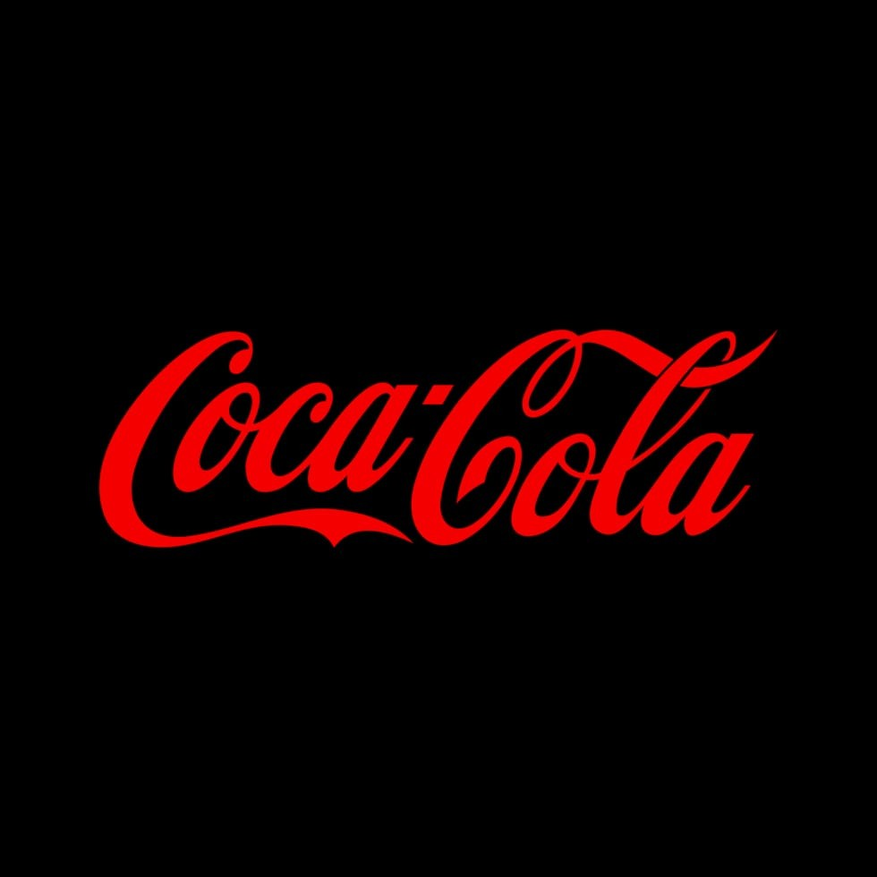
Coca-Cola USA Retailer Dashboard
Figure in USD

Total Sales
Units Sold
Average Price
Total Operating Profit
$1,20,16,665
2,47,88,610
$0.45
47,22,497

Sales by Beverage Brand |  |  |  | Sales by Retailer
Brand | Sales 2022 | Sales 2023 | Variance | Brand | Sales 2022 | Sales 2023 | Variance
Coca-Cola | 499,102 | 2,268,975 | 1,769,873 | Amazon | 276210 | 1009698.7 | 1285908.7
Dasani Water | 469,271 | 1,917,828 | 1,448,557 | BevCo | 466788 | 2327606.5 | 2794394.5
Diet Coke | 423,759 | 1,633,959 | 1,210,201 | FizzyCo | 161210.1 | 2262827.1 | 2424037.2
Fanta | 315,489 | 1,116,063 | 800,574 | Target | 9250.3 | 1341995 | 1351245.3
Powerade | 349,534 | 1,302,529 | 952,995 | Walmart | 339912.5 | 580211 | 920123.5
Sprite | 366,578 | 1,353,578 | 987,000 | West Soda | 1170361.6 | 2070594.2 | 3240955.8
Grand Total | 2,423,733 | 9,592,933 | 7,169,200 | Grand Total | 2423732.5 | 9592932.5 | 12016665

 |  | Sales and Operating Profit Margin by Quarter

 | Sum of Total Sales | Average of Operating Margin
Qtr1 | $692,776 | 40%
Qtr2 | $644,204 | 40%
Qtr3 | $719,170 | 41%
Qtr4 | $367,582 | 40%
Qtr1 | $1,877,584 | 42%
Qtr2 | $2,379,425 | 43%
Qtr3 | $2,805,753 | 43%
Qtr4 | $2,530,171 | 42%

